hp PC옵션
 |  |  | Focused Option
 |  |  | New
 |  |  | Workstation PL 9H AMO
 |  |  | May'12 EOL

SKU# | Description | 소비자가(VAT별도) | 공급가(VAT별도)
Memory DIMMs
AT024AA | HP 2GB PC3-10600 (DDR3-1333) DIMM | 27,500 | 23,500
VH638AA | HP 4GB PC3-10600 (DDR3-1333) DIMM | 49,375 | 42,300
VH640AA | HP 2GB PC3-10600 (DDR3-1333) SODIMM | 27,500 | 23,500
VH641AA | HP 4GB PC3-10600 (DDR3-1333) SODIMM | 47,500 | 40,700
Hard Drives |  |  | -
QK554AA | HP 500GB SATA 6.0Gb/s Hard Drive | 102,500 | 87,700
QR469AA | HP 750GB SATA 6.0Gb/s Hard Drive | 127,500 | 109,100
QK555AA | HP 1TB SATA 6.0Gb/s Hard Drive | 143,750 | 123,100
Solid State Drive |  |  | -
QV063AA | HP 128GB SATA Solid State Drive Desktop | 293,750 | 251,500
QV064AA | HP 160GB SATA Solid State Drive Desktop | 525,000 | 449,400
eSATA Adapter |  |  | -
FH966AA | eSATA Adapter | 10,000 | 8,600
Removable 3.5" Hard Drive Enclosure |  |  | -
RY102AA | HP Removable SATA Hard Drive Enclosure (Frame & Carrier) | 216,250 | 185,100
RY103AA | HP Removable SATA Hard Drive Enclosure (Carrier Only) | 100,000 | 85,600
Optical Drives |  |  | -
AR629AA | HP 16X/48X SATA DVD-ROM Drive BLK | 33,750 | 28,900
QS208AA | HP SATA 16x SuperMulti Drive BLK | 41,250 | 35,300
AR482AA | HP SATA Blu-ray Writer BLK | 225,000 | 192,600
QS209AA | HP Slim 8X SATA SuperMulti Drive BLK | 41,250 | 35,300
1394 Interface |  |  | -
BW851AA | 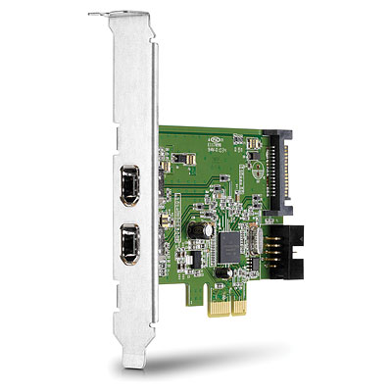 HP FireWire / IEEE 1394a PCIe x1 Card | 28,750 | 24,600
QT587AA | HP USB 3.0 4-Port SuperSpeed PCIe x1 Card | 42,500 | 36,400
Graphics- Cards and Adapters/Cables |  |  | -
VG885AA | NVidia GeForce 310 DP (512MB) SH PCIe x16 Graphics Card | 61,250 | 52,400
QM229AA | AMD Radeon HD 6450 DP (512MB) DH PCIe x16 Card | 67,500 | 57,800
B1R44AA | AMD Radeon HD 7450 DP (1GB) DH PCIe x16 Card | 75,000 | 64,200
BV456AA | NVIDIA NVS 300 (512mb) PCIe x16 VGA Card | 118,750 | 101,700
BV457AA | NVIDIA NVS 300 (512mb) PCIe x1 Card | 127,500 | 109,100
FY943AA | NVIDIA Quadro NVS 295 PCIe x16 Graphics Card | 396,000 | 139,100
QK551AA | AMD FirePro 2270 (512mb) PCIe x16 VGA Card | 106,250 | 91,000
QK638AA | AMD Radeon 6350 (512MB) DH PCIe x 16 Card | 68,750 | 58,900
QP027AA | AMD Radeon HD 6570 DP (1GB) PCIe x16 Graphics Card | 120,000 | 102,700
B4J92AA | Nvidia GeForce GT630 DP Full Height PCIe x16 Card | 135,000 | 115,600
DL139A | DMS-59 to Dual DVI Cable Kit,accessory | 28,000 | 10,600
DC198A | HP DVI to DVI Cable | 16,875 | 14,400
FH973AA | HP DisplayPort To DVI-D Adapter | 14,375 | 12,300
AS615AA | HP DisplayPort To VGA Adapter | 23,750 | 20,300
VN567AA | HP DisplayPort Cable Kit | 10,000 | 8,600
BP937AA | HP DisplayPort To HDMI Adapter | 13,125 | 11,200
NR078AA | HP DisplayPort to Dual Link DVI Adapter | 40,000 | 148,300
XP688AA | HP DMS-59 to dual DisplayPort Adapter | 15,000 | 12,800
NL571AA | HP USB Graphics Adapter | 50,000 | 42,800
HP Platform Specific Accessories & Security |  |  | -
PA716A | 2nd Serial Port Adapter ALL | 13,750 | 11,800
KD061AA | HP Parallel Port Adapter | 8,750 | 7,500
VK889AA | HP (50 Pk) 5.25" Blank Bezel Kit - JB | 28,750 | 24,600
DE870A | Tower Stand - dc5000SFF dx5150ST rp5000 | 13,750 | 11,800
VN568AA | HP 2009 (USDT) Tower Stand | 9,375 | 8,000
VN569AA | HP 2009 (SFF) Tower Stand | 6,250 | 5,400
VK554AA | VESA Wall Mount Adapter | 30,000 | 25,700
BT861AA | HP Single Monitor Arm | 137,500 | 117,700
QK549AA | HP Integrated Work Center (SFF) | 102,500 | 87,700
QP897AA | HP Integrated Work Center2 - SFF | 150,000 | 128,400
LH526AA | HP IWC4 Integrated Work Center All | 93,750 | 80,300
EM870AA | HP Quick Release Kit ALL | 17,500 | 15,000
BP428AA | HP 2009 (SFF) Solenoid Lock and Hood Sensor | 21,875 | 18,700
DE618A | HP (CMT) Solenoid Lock and Hood Sensor | 24,375 | 20,900
VN571AA | 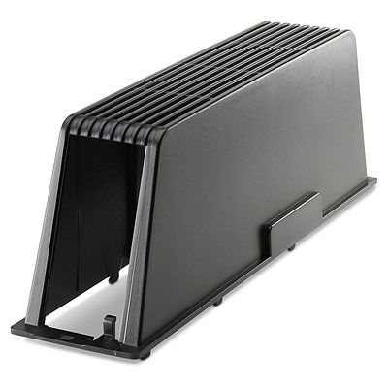 HP (2009) USDT Rear Port Controller Cover | 9,000 | 7,700
VN570AA | HP (2009) SFF Wall Mount/Security Sleeve | 63,750 | 54,600
PV606AA | HP Business PC Security Lock Kit | 38,750 | 33,200
AR639AA | HP Chassis (dc) Security Kit | 9,500 | 8,100
Communications-LAN |  |  | -
FS215AA | Broadcom NetXtreme Gigabit Ethernet Plus PCIe NIC Card | 50,000 | 42,800
FH969AA | Intel CT PCIe Gigabit NIC Card | 35,000 | 30,000
FH971AA | HP Wireless 802.11b/g/n PCIe x1 Card | 32,500 | 27,800
Other Accessories |  |  | -
KK912AA | HP Thin USB Powered Speakers | 21,250 | 18,200
AR941AA | HP 22-in-1 Media Card Reader | 21,250 | 18,200
QK550AA | HP Business Headset | 17,500 | 15,000
QP896AA | HP USB HD 720P Business Webcam | 20,000 | 17,100
NQ576AA | HP LCD Speaker Bar | 22,500 | 19,300
Pointing Devices |  |  | -
DC172B | HP USB 2-Button Optical Mouse ALL | 9,000 | 7,700
EY703AA | HP PS/2 2-Button Optical Scroll Mouse | 9,000 | 7,700
GW405AA | HP USB 2-Button Laser Scroll Mouse | 12,500 | 10,700
BQ492AA | Compaq USB 2-Button Optical Scroll Mouse | 9,375 | 8,000
BM866AA | HP USB PS/2 Washable Scroll Mouse | 45,625 | 39,100
Keyboards |  |  | -
DT527A#AB1 | PS/2 Standard Keyboard KOR | 14,375 | 12,300
DT527A#UUF | PS/2 Standard Keyboard EURO | 14,375 | 12,300
DT528A#AB1 | USB Standard Keyboad KOR | 14,375 | 12,300
DT528A#UUF | USB Standard Keyboad US | 14,375 | 12,300
BV813AA#AB1 | HP USB Smartcard Keyboard | 36,875 | 31,600
BQ493AA#AB1 | Compaq USB Keyboard/Mouse | 15,250 | 13,100

